Table 1
IDTA 02016-1-0 Control Component Instance April 2023
S P E C I F I C A T I O N
Submodel Template of the Asset Administration Shell

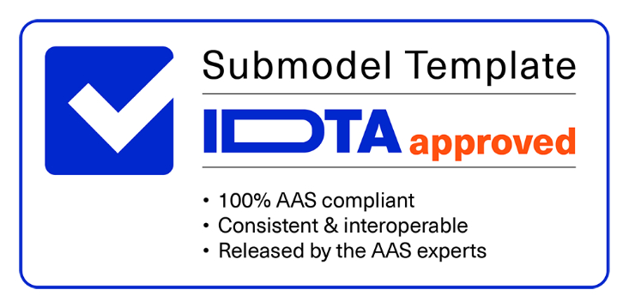

Imprint
Publisher Industrial Digital Twin Association Lyoner Strasse 18 60528 Frankfurt am Main Germany https://www.industrialdigitaltwin.org/ Version history
Date | Version | Comment
2023-04-17 | 1.0 | Release of the official Submodel template published by IDTA.
Contents
1 General 6 1.1 About this document 6 1.2 Scope of the Submodel 6 1.3 Relevant standards for the Submodel template 6 1.4 Use cases, requirements and design decisions 6 2 Submodel and Collections 7 2.1 Approach 7 2.2 Elements of the Submodel “ControlComponentInstance” 7 2.3 Common Submodel Elements for CCType and CCInstance Submodel 9 2.3.1 Elements of the SMC “Skills” 9 Annex A. Explanations on used table formats 13 1. General 13 2. Tables on Submodels and SubmodelElements 13 Bibliography 14
Figures
Figure 1: UML-Diagram for Submodel "ControlComponentInstance" 7 Figure 2 UML-Diagram for SMC "Skill" 9
Tables
Table 1: Elements of Submodel ControlComponentInstance 8 Table 2: Elements of SMC Endpoints 9 Table 3: Elements of SMC "Skill" 10 Table 4: Elements of SMC "Modes" 11 Table 5: Elements of SMC "Parameter" 12
1 General
1.1 About this document This document is a part of a specification series. Each part specifies the contents of a Submodel template for the Asset Administration Shell (AAS). The AAS is described in [1], [2], [3] and [6]. First exemplary Submodel contents were described in [4], while the actual format of this document was derived by the "Administration Shell in Practice" [5]. The format aims to be very concise, giving only minimal necessary information for applying a Submodel template, while leaving deeper descriptions and specification of concepts, structures and mapping to the respective documents [1] to [6]. The Control Component (CC) concept [7] supports the engineering, deployment and orchestration of service- based and component-oriented industry 4.0 automation solutions. The term component in this document refers to a “modular, deployable, and replaceable part of a system that encapsulates implementation and exposes a set of interfaces” (IEV 741-01-11). In general, a physical device, machine or module can be considered as a component as well as software components, e.g. a function block. Both, the control and the component aspect in this document, are meant to be understood in an abstract manner and from a cybernetical viewpoint of the orchestration (process control) of industrial production processes. There are two specifications defining how control component information should be modelled as Submodels: • The “Control Component Type” (CCType, IDTA 02015) Submodel to describe control component types and • the “Control Component Instance” (CCInstance, IDTA 02016) Submodel to describe their instances. This document extends the CCType Submodel specification with a template for the CCInstance Submodel. Common use cases and aspects as well as Submodel elements for this Submodel can be found in the CCType Submodel specification (IDTA 02015) to reduce duplication.
1.2 Scope of the Submodel The scope of this Submodel is the definition of instance-specific information of a Control Component (CC) into an AAS. Together with its counterpart, the CCType Submodel (IDTA 02015), both Submodels aim to establish templates to ensure a uniform structure. The use of these templates allows the development of manufacturer- and domain-independent control concepts and facilitates the exchange of process information with other Submodels. Additionally, it allows the use of standardized call and monitoring sequences, as well as standardized description of its services, endpoints, error-codes, etc.
1.3 Relevant standards for the Submodel template Relevant standards that have been taken into account during the specification of both, the CCInstance and also the CCType Submodel are listed in the specification of the CCType Submodel (IDTA 02015),
1.4 Use cases, requirements and design decisions In-depth discussion on use cases, requirements and design decisions is given in the specification of the CCType Submodel (IDTA 02015), as a CCInstance has to be seen in conjunction with a respective CCType Submodel,
2 Submodel and Collections
2.1 Approach Most Submodel elements are modelled as mandatory, so that an application only needs to check their values, without the need to additionally check if the element is present beforehand. For example, an empty collection of skills indicates that no skills are available in the type or instance, but the collection itself is mandatory.
2.2 Elements of the Submodel “ControlComponentInstance” Figure 1 shows the UML-diagram defining the relevant properties for the instance Submodel of a CC. Table 1 describes the details of the Submodel structure. Table 2 specifies the SMC “Endpoints”. The structure of the SMC “Skills” of a CCInstance Submodel is identical to one in a CCType Submodel. It is described in section 2.3.1.
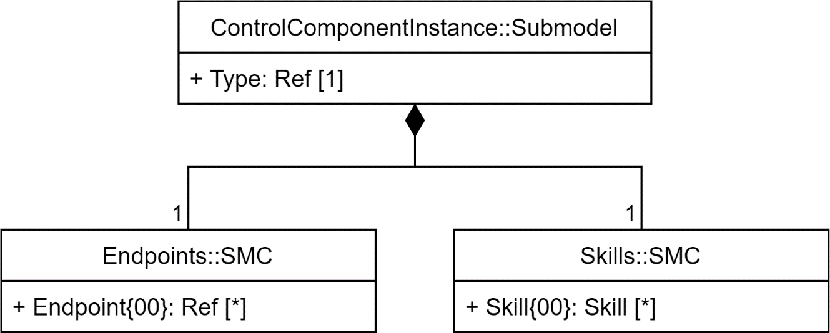
Figure 1: UML-Diagram for Submodel "ControlComponentInstance"

Table 3
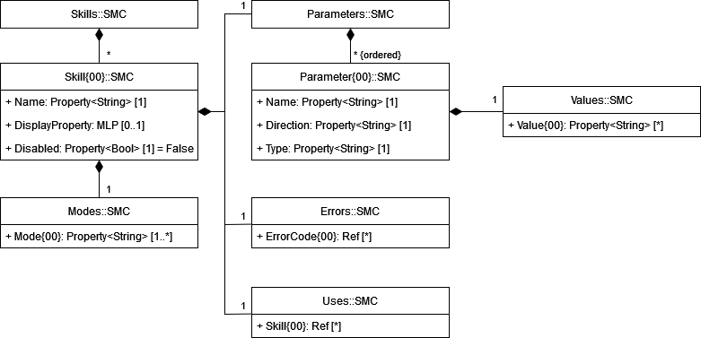
Table 2: Elements of SMC Endpoints
idShort: | Endpoints
Class: | SubmodelElementCollecttion
semanticId: | [IRI] https://admin-shell.io/idta/ControlComponent/Instance/Endpoints/1/0
Kind: | Instance
Parent: | Submodel “ControlComponentInstance”
Explanation: | Collection of endpoint references
[SME type] | semanticId = [idType]value | [valueType] | card.
idShort | Description@en | example
[Ref] Endpoint{00} | [IRI] https://admin- shell.io/idta/ControlComponent/Instance/Endpoint/1/0 A reference to a control endpoint | n/a | *
2.3 Common Submodel Elements for CCType and CCInstance Submodel The CCInstance Submodel allows to overwrite or add instance specific skills. Hence, we define a common SubmodelElementCollection (SMC) for skills and their elements to be used in both, CCType and CCInstance Submodels.
2.3.1 Elements of the SMC “Skills” Figure 2 shows the UML-diagram defining the relevant properties of the SubmodelElementCollection “Skill”. Table 3 describes the details of the SMC “Skill”. It contains a SMC “Modes” and “Parameters” whose contents are described in detail in Table 4 and Table 5. Figure 2 UML-Diagram for SMC "Skill"

